28' 8 Stall Shower
 |  |  |  |  |  |  |  |  |  | Toll Free: | 800-815-2557
 |  |  |  |  |  |  |  |  |  | Phone: | 260-562-1045
JAG MOBILE SOLUTIONS INC. |  |  |  |  |  |  |  |  |  | Fax: | 260-562-2478
0770 STATE ROAD 120 |  |  |  |  |  |  |  |  |  | www.jagmobilesolutions.com
P.O . BOX 100 |  |  |  |  |  |  |  |  |  | JAG Contact:
HOWE INDIANA |  | 46746

CUSTOMER: |  |  |  |  |  |  | QUOTE #:
 |  |  |  |  |  | BUILD DATE : | Immediate | QUOTE DATE :
ADDRESS:
 | CITY/STATE: |  |  | CELL1: |  |  |  | FAX:
 | PHONE: |  |  | CELL2: |  |  |  | EMAIL2:
CONTACT : |  |  |  | CELL: |  |  |  | EMAIL:
TERMS: |  | 100% Due to Ship |  |  |  |  |  | VIN#: | 1J9HSGF21RH358743
 |  |  |  |  |  |  |  |  | Approx weight 11,800# |  | Freight / mile: | $3.50
MODEL: |  | R28' X 8' |  | 8 Station |  |  | Unit must be pumped prior to transport and may not be moved loaded. Options in yellow have been selected. Other options should be strongly considered. Unit can be picked up in Howe, IN or shipped 3rd party. (** Denotes Additional 20A Plug(s) Required) Unit is quoted to JAG specifications unless otherwise noted. JAG Mobile Solutions is not responsible for compliance with state, local, or other entity codes and/or requirements.
UNIT TYPE: |  | 8 Stall SmartMaxx Shower

Standard Features |  |  |  |  |  |  | NOTES/OPTIONS
CHASSIS |  |  |  |  |  |  | Quantity | Options |  |  | Price | Extended
1 | 28' H/D Undercoated Frame W/Site Glass |  |  | STD |  |  | 1 | 300 Gallon Fresh Tank & 3/4 HP Pump* w/Float
1 | 2-5/16" Hitch & H/D Front Jack |  |  | STD
2 | 7,000# Torsion Axle w/ Elec Brakes,EZ Lube |  |  | STD | 826
4 | 16" Radial Tires & 8 Hole Steel Wheels |  |  | STD | Series 04
4 | Stabilizing Jacks, 7K Sidewinders |  |  | STD
4 | JAG Exclusive Cartridge Safety Stair Assembly 59" |  |  | STD | 59"
1 | Apprx 970 Gallon Lined H/D Waste Tank |  |  | STD
1 | Seamless Gel Coat Exterior, Wood-Free Fiberglass Roof |  |  | STD
HVAC |  |  |  |  |  |  | 1 | Dakota Winterization Package 0 Degrees**: Heater Ducted into Each Stall & Service Area, Waste Tank Heat & Insulation, GFI & Heat Tape at Dump Valve
1 | 12V Vent Fan Package |  |  | STD
2 | 13,500 BTU A/C, Ducted, Heat Strip Rear A/C |  |  | STD
ELECTRICAL/LIGHTING
1 | 7 Pin Plug, Break Away Protection |  |  | STD
1 | Converter w/ Charge Protection - 60 amp |  |  | STD |  |  | 1 | Spare Tire on Aluminum Rim, Rear Mounted
1 | Full Size Deep Cell Battery, Group 24 |  |  | STD |  |  | 1 | Aluminum Rims Per Trailer
1 | Direct Charge Battery |  |  | STD
1 | DOT Safety & LED Marker Light Package |  |  | STD
1 | LED ceiling Lights |  |  | STD
1 | Occupied Light @ Each Door |  |  | STD
1 | LED Porch Lights, Oblong |  |  | STD
1 | LED Light Above Service Door |  |  | STD
1 | 25' Twist Lock H/D Power Cord With Adapter |  |  | STD |  |  | 1 | Storage Solutions Box
PLUMBING
8 | Stainless Sinks-Wall Hung with Oval Bowl, Black PC Base |  |  | STD |  |  | 1 | Exclusive Door signs (4) Men's (4) Women's (4) Unisex
8 | Metered Faucets Chicago Longneck |  |  | STD
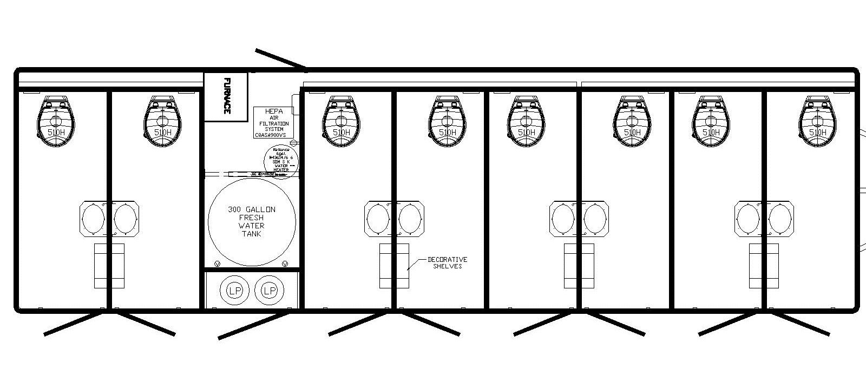
8 | 36"X36" Acrylic Shower Stalls |  |  | STD
1 | Inlet Pressure Regulator, Brass, 40-50 psi |  |  | STD
1 | City Water Fill, 3/4" Garden Hose Connection |  |  | STD
1 | Water Lines Inside Trailer, Weather Protected |  |  | STD
4 | 40# Pressure Regulated Propane Tanks |  |  | STD
2 | 199,000 BTU Tankless Propane Water Heaters |  |  | STD
9 | Floor Drains, Chrome |  |  | STD
TRAILER FEATURES
8 | Entry Doors, Grey Pebble, 75x26 RH(4) LH(4) |  |  | STD
1 | Forever Floor Woodfree Non-Absorbant subfloor |  |  | STD
1 | Exterior Woodfree Gelcoat Sides & Unifiber Roof |  |  | STD
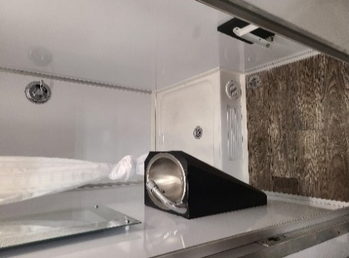
1 | Grey Pebble on Asdel with Alum Trim |  |  | STD
1 | Smooth Fiberglass Ceiling Surface |  |  | STD
1 | Gelcoat Skirting at Waste Tank, CS |  |  | STD
1 | Seamless Vinyl Flooring, Greystone |  |  | STD
8 | Stainless Steel Mirrors, 16x30 |  |  | STD
Unit has 2 entrances, each area has 4 large fiberglass shower stalls with private dressing areas, stainless sinks with running water, vent fan, and LED lighting.

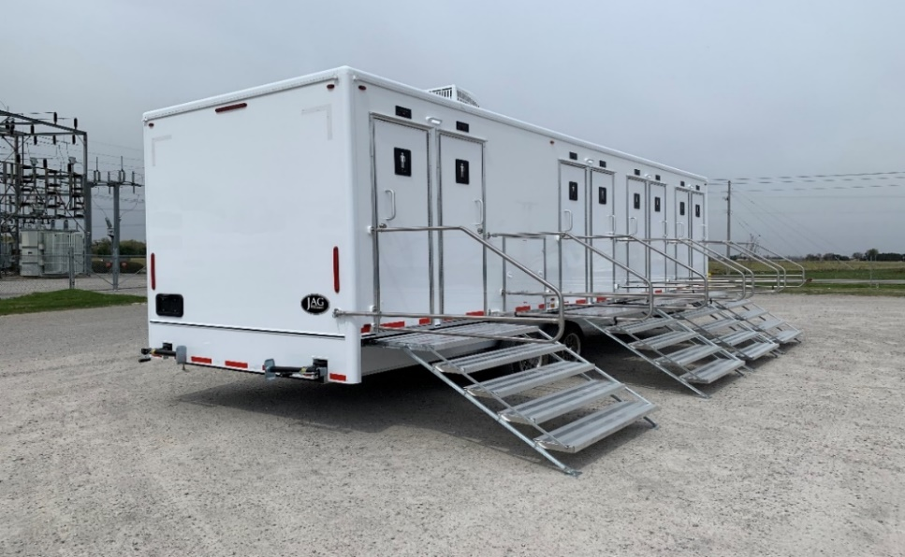
QTY | Description |  | Price | Extended
1 | 2 Coat Hooks in Each Stall
1 | Fold Down Shower/Dressing Seats

Unit must be pumped prior to transport and may not be moved loaded.

