25' 8 Stall Urban
 |  |  |  |  |  |  |  |  | Toll Free: | 800-815-2557
 |  |  |  |  |  |  |  |  | Phone: | 260-562-1045
JAG MOBILE SOLUTIONS INC. |  |  |  |  |  |  |  |  | Fax: | 260-562-2478
0770 STATE ROAD 120 |  |  |  |  |  |  |  |  | www.jagmobilesolutions.com
P.O . BOX 100
HOWE INDIANA |  | 46746 |  |  |  |  |  |  |  | PRICE | $97,500

CUSTOMER: |  |  |  |  |  | QUOTE #:
 |  |  |  |  | BUILD DATE : |  | QUOTE DATE :
ADDRESS:
 | CITY/STATE: |  |  | CELL1: |  |  | FAX:
 | PHONE: |  |  | CELL2: |  |  | EMAIL2:
CONTACT : |  |  |  | CELL: |  |  | REF VIN#: | 1J9HTGF29MH358561
TERMS: |  |  |  |  |  |  | VIN#: | 1J9HTGF24NH358100
 |  |  |  |  |  |  |  | Approx weight:11,200#
MODEL: |  | R28' X 8' |  | 8 Station |  | Unit must be pumped prior to transport and may not be moved loaded. Options in yellow have been selected. Other options should be strongly considered. Unit can be picked up in Howe, IN or shipped 3rd party. (** Denotes Additional 20A Plug(s) Required) Unit is quoted to JAG specifications unless otherwise noted. JAG Mobile Solutions is not responsible for compliance with state, local, or other entity codes and/or requirements.
UNIT TYPE: |  | 8 Stall Urban |  | 28T W02

Standard Features |  |  |  |  |  | NOTES/OPTIONS
CHASSIS |  |  |  |  |  | Quantity | Options |  |  | Price | Extended
1 | 25' H/D Undercoated Frame W/Site Glass |  |  | STD |  | 1 | 300 Gallon Fresh Tank & (2) 3.0 gpm Pumps |  |  | $2,500 | $2,500
1 | 2-5/16" Hitch & H/D Front Jack |  |  | STD |  | 1 | Dakota Winterization Package 0 Degrees**: Heat Ducted to Each Stall, Service Heat, Waste Tank Heat & Insulation, GFI & Heat Tape at Dump Valve, Heat Strip in rear A/C. |  |  | $3,750 | $3,750
2 | 7,000# Torsion Axle w/ Elec Brakes,EZ Lube |  |  | STD
4 | 16" Radial Tires & 8 Hole Steel Wheels LRG |  |  | STD
4 | Stabilizing Jacks, Sidewinders |  |  | STD |  | 1 | 6 Gallon Water Heater** |  |  | $925 | $925
4 | JAG Exclusive Slim Line Cartridge Safety Stair 59" |  |  | STD |  | 1 | Spare Tire on Aluminum Rim, Mounted Front |  |  | $700 | $700
1 | Apprx 970 Gallon Lined H/D Waste Tank |  |  | STD |  | 1 | Aluminum Rims Per Trailer |  |  | $600 | $600
1 | Seamless Gel Coat Exterior, Wood-Free Fiberglass Roof |  |  | STD |  | 1 | Door signs (8) Men's (4) Women's |  |  | $600 | $600
HVAC |  |  |  |  |  | 1 | See Additional Notes / Options Below
1 | Vent Fan Package, SRV Area Only, (2) Zephyrs |  |  | STD |  |  | Options Total |  |  |  | $9,075
2 | 13,500 BTU A/C, Ducted, NO Heat Strip |  |  | STD |  | To choose an option above place appropriate number in quantity
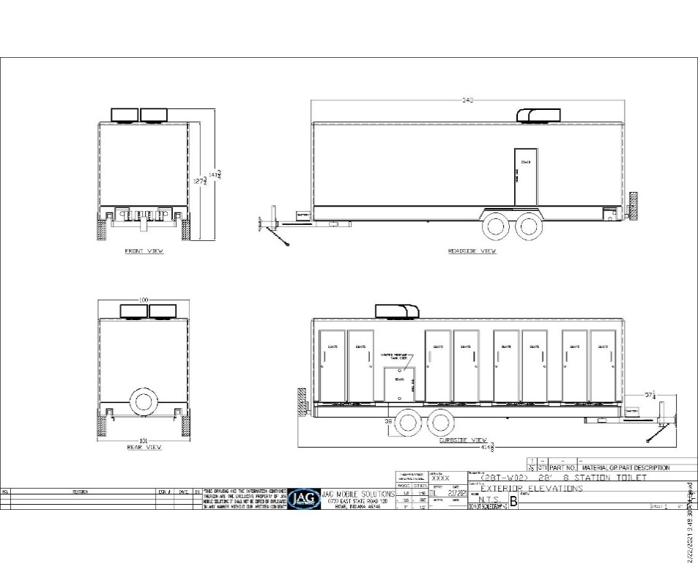
ELECTRICAL/LIGHTING
1 | 7 Pin Plug, Break Away Protection |  |  | STD
1 | Converter w/ Charge Protection - 60 amp |  |  | STD
1 | Full Size Deep Cell Battery, Group 24 |  |  | STD
1 | Direct Charge Battery |  |  | STD
1 | LED Exterior & DOT Safety Lights |  |  | STD
1 | LED Interior Lighting Pkg on Dimmer w/ Bypass |  |  | STD
1 | Occupied Lights @ Each Door |  |  | STD
1 | LED Light Above Service Door |  |  | STD
1 | 25' Twist Lock H/D Power Cord With Adapter |  |  | STD
PLUMBING
8 | Wall Hung Sinks, Stainless |  |  | STD
8 | Metered Faucets Chicago Longneck |  |  | STD
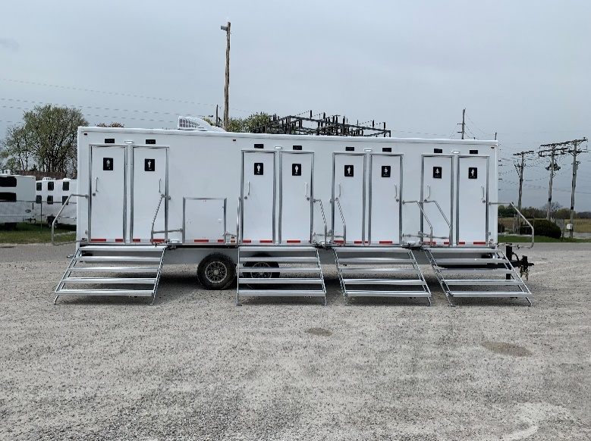
8 | Foot Flush Stools, White, China - 510 ps |  |  | STD
1 | Inlet Pressure Regulator, Brass, 40-50 psi |  |  | STD
1 | City Water Fill, 3/4" Garden Hose Connection |  |  | STD
1 | Water Lines Inside Trailer, Weather Protected |  |  | STD
8 | Floor Drains, Chrome |  |  | STD
TRAILER FEATURES
8 | Entry Doors, Gray Pebble, (4) 75x26 RH, (4) 75x25 LH |  |  | STD
1 | Forever Floor Woodfree Non-Absorbant subfloor |  |  | STD
1 | Exterior Woodfree Gelcoat Sides & Unifiber Roof |  |  | STD
1 | Gray Pebble Walls with Treated Alum Trim |  |  | STD
1 | Custom Valances in Each Stall |  |  | STD
1 | Trash Receptacle, Secured |  |  | STD
1 | Smooth Fiberglass Ceiling Surface |  |  | STD
1 | Seamless Vinyl Flooring, Greystone |  |  | STD
8 | Etched Safety Backed Mirrors, Backlit 16x30 |  |  | STD
Unit has 8 entrances, each private area has toilet sink and toilets with vent fan, and LED lighting. |  |  |  |  |  |  |  |  |  | Unit Total: | $0
 |  |  |  |  |  |  |  |  |  | Option Notes Charges: | $5,875
 |  |  |  |  |  |  |  |  |  | FOB Howe Indiana: | $5,875
QTY | Description |  | Price | Extended |  |  |  | Delivery miles | 0 | Freight : | #REF!
4 | Additional Door Signs (Ea) Unisex |  | $20 | $80 |  |  |  |  |  | Total: | #REF!
1 | Propane Furnace Ducted |  | $2,800 | $2,800
1 | Generator Mount for Honda EU 7000 |  | $2,825 | $2,825 |  |  |  |  |  |  | Revised: 1/1/2022
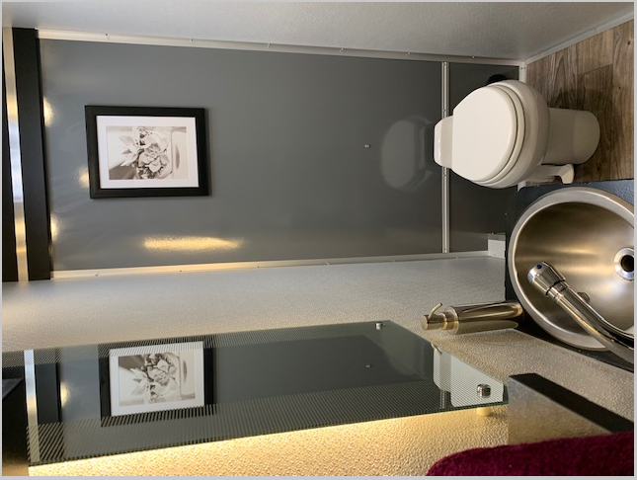
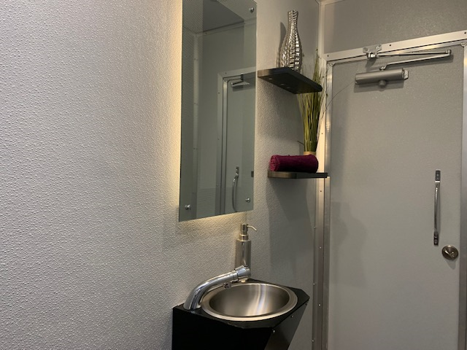
1 | Add HEPA Filter Outlet @ Rear Closet |  | $250 | $250
Total: |  |  |  | $5,875
Unit must be pumped prior to transport and may not be moved loaded.

