25' 8 Stall Urban
 |  |  |  |  |  |  |  |  | Toll Free: | 800-815-2557
 |  |  |  |  |  |  |  |  | Phone: | 260-562-1045
JAG MOBILE SOLUTIONS INC. |  |  |  |  |  |  |  |  | Fax: | 260-562-2478
0770 STATE ROAD 120 |  |  |  |  |  |  |  |  | www.jagmobilesolutions.com
P.O . BOX 100
HOWE INDIANA |  | 46746 |  |  |  |  |  | , |  | PRICE: 97,000

CUSTOMER: |  |  |  |  |  | QUOTE #:
 |  |  |  |  | BUILD DATE : |  | QUOTE DATE :
ADDRESS:
 | CITY/STATE: |  |  | CELL1: |  |  | FAX:
 | PHONE: |  |  | CELL2: |  |  | EMAIL2:
CONTACT : |  |  |  | CELL: |  |  | VIN#:
TERMS: |  |  |  |  |  |  | VIN#: | 1J9HTGF22NH358886
 |  |  |  |  |  |  |  | Approx weight:11,200#
MODEL: |  | R28' X 8' |  | 8 Station |  | Unit must be pumped prior to transport and may not be moved loaded. Options in yellow have been selected. Other options should be strongly considered. Unit can be picked up in Howe, IN or shipped 3rd party. (** Denotes Additional 20A Plug(s) Required) Unit is quoted to JAG specifications unless otherwise noted. JAG Mobile Solutions is not responsible for compliance with state, local, or other entity codes and/or requirements.
UNIT TYPE: |  | 8 Stall Urban |  | 28T-W02

Standard Features |  |  |  |  |  | NOTES/OPTIONS
CHASSIS |  |  |  |  |  | Quantity | Options |  |  | Price | Extended
1 | 28' H/D Undercoated Frame W/Site Glass |  |  | STD |  | 1 | 300 Gallon Fresh Tank & (2) 3.0 gpm Pumps |  |  | $2,500 | $2,500
1 | 2-5/16" Hitch & H/D Front Jack |  |  | STD |  | 1 | Dakota Winterization Package 0 Degrees**: Heat Ducted into Each Stall, Service Heat, Waste Tank Heat & Insulation, GFI & Heat Tape at Dump Valve |  |  | $3,750 | $3,750
2 | 7,000# Torsion Axle w/ Elec Brakes,EZ Lube |  |  | STD
4 | 16" Radial Tires & 8 Hole Steel Wheels LRG |  |  | STD
4 | Stabilizing Jacks, Sidewinders |  |  | STD |  | 1 | 6 Gallon Water Heater**
4 | JAG Exclusive Slim Line Cartridge Safety Stair |  |  | STD |  | 1 | Spare Tire on Steel Rim, Mounted SRV Area |  |  | $550 | $550
1 | Apprx 970 Gallon Lined H/D Waste Tank |  |  | STD |  | 1 | Aluminum Rims Per Trailer |  |  | $600 | $600
1 | Seamless Gel Coat Exterior, Wood-Free Fiberglass Roof |  |  | STD |  | 1 | Door signs (8) Men's (4) Women's Extra signs |  |  | $600 | $600
HVAC |  |  |  |  |  | 1 | See Additional Notes / Options Below
1 | 12v Vent Fan Package, SRV Area Only |  |  | STD |  |  | Options Total |  |  |  | $8,000
2 | 13,500 BTU A/C, Ducted, NO Heat Strip |  |  | STD |  | To choose an option above place appropriate number in quantity
ELECTRICAL/LIGHTING
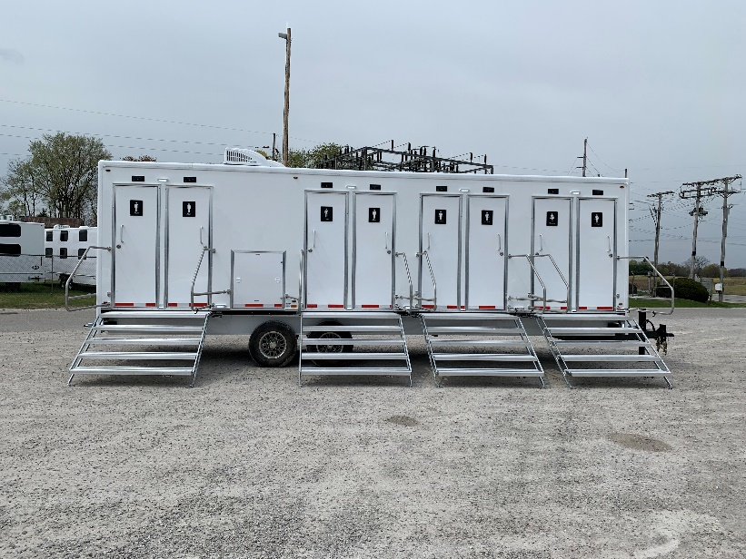
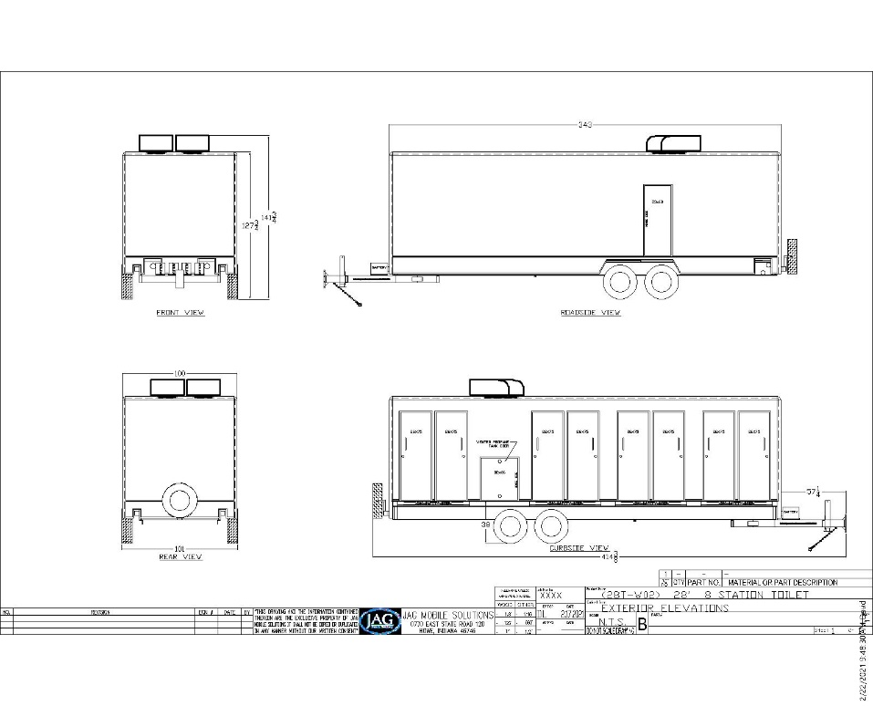
1 | 7 Pin Plug, Break Away Protection |  |  | STD
1 | Converter w/ Charge Protection - 60 amp |  |  | STD
1 | Full Size Deep Cell Battery, Group 24 |  |  | STD
1 | Direct Charge Battery |  |  | STD
1 | LED Exterior & DOT Safety Lights |  |  | STD
1 | LED Interior Lighting Pkg on Dimmer |  |  | STD
1 | Occupied Lights @ Each Door |  |  | STD
1 | LED Light Above Service Door- Hotdog |  |  | STD
1 | 25' Twist Lock H/D Power Cord With Adapter |  |  | STD
PLUMBING
8 | Wall Hung Sinks, Stainless |  |  | STD
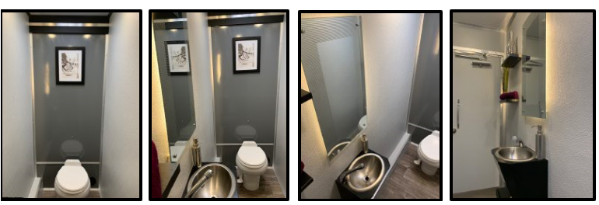
8 | Metered Faucets Chicago Longneck |  |  | STD
8 | Foot Flush Stools, White, China - 510 ps |  |  | STD
1 | Inlet Pressure Regulator, Brass, 40-50 psi |  |  | STD
1 | City Water Fill, 3/4" Garden Hose Connection |  |  | STD
1 | Water Lines Inside Trailer, Weather Protected |  |  | STD
8 | Floor Drains, Chrome |  |  | STD
TRAILER FEATURES
8 | Entry Doors, Gray Pebble, (4) 75x26 RH, (4) 75x25 RH |  |  | STD
1 | Forever Floor Woodfree Non-Absorbant subfloor |  |  | STD
1 | Exterior Woodfree Gelcoat Sides & Unifiber Roof |  |  | STD
1 | Gray Pebble Walls with Treated Alum Trim |  |  | STD
1 | Custom Valances in Each Stall |  |  | STD
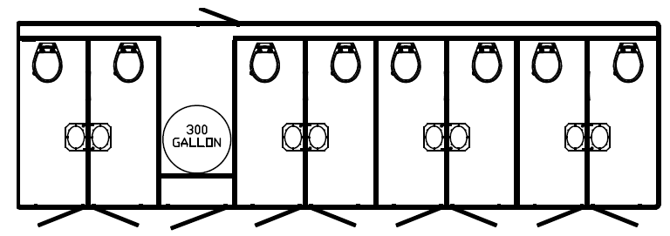
1 | Trash Receptacle, Secured |  |  | STD
1 | Smooth Fiberglass Ceiling Surface |  |  | STD
1 | Seamless Vinyl Flooring, Greystone |  |  | STD
1 | Gel Coat Skirting on Curbside |  |  | STD
8 | Etched Safety Backed Mirrors, Backlit 16x30 |  |  | STD
Unit has 8 entrances, each private area has toilet sink and toilets with vent fan, and LED lighting.

QTY | Description |  | Price | Extended
4 | Additional Door Signs (Ea) Unisex
1 | Propane Furnace Ducted w/ (2) 40# Propane Tanks in Vented Compartment
1 | Generator Mount for Honda EU 7000
1 | Add HEPA Filter Outlet @ Rear Closet
1 | Returing Customer Discount
Total:
Unit must be pumped prior to transport and may not be moved loaded.

 |  |  |  |  |  |  |  |  |  |  | Revised:10/31/2020

