24' Commercial Laundry Trailer

 |  |  |  |  |  |  |  |  | Toll Free: | 800-815-2557
 |  |  |  |  |  |  |  |  | Phone: | 260-562-1045
JAG MOBILE SOLUTIONS INC. |  |  |  |  |  |  |  |  | Fax: | 260-562-2478
0770 STATE ROAD 120 |  |  |  |  |  |  |  |  | www.jagmobilesolutions.com
P.O . BOX 100 |  |  |  |  |  |  |  |  | JAG Contact:
HOWE INDIANA |  | 46746

CUSTOMER: |  |  |  |  |  | QUOTE #:
 |  |  |  |  | BUILD DATE : | Immediate | QUOTE DATE :
ADDRESS:
 | CITY/STATE: |  |  | CELL1: |  |  | FAX:
 | PHONE: |  |  | CELL2: |  |  | EMAIL2:
CONTACT : |  |  |  | CELL: |  |  | EMAIL:
TERMS: |  | 100% Due to Ship |  |  |  |  | VIN#: | 1J9HLFE27PH358266
 |  |  |  |  |  |  |  | Approx. weight:12,620# |  | Freight / mile: | $3.00
MODEL: |  | R24' X 8' |  | 8 station |  | Unit must be pumped prior to transport and may not be moved loaded. Options in yellow have been selected. Other options should be strongly considered. Unit can be picked up in Howe, IN or shipped 3rd party. (** Denotes Additional 20A Plug(s) Required) Unit is quoted to JAG specifications unless otherwise noted. JAG Mobile Solutions is not responsible for compliance with state, local, or other entity codes and/or requirements.
UNIT TYPE: |  | Commercial laundry Trailer

Standard Features |  |  |  |  |  | NOTES/OPTIONS
CHASSIS |  |  |  |  |  | Quantity | Options |  |  | Price | Extended
1 | 24' H/D Undercoated Frame |  |  | STD |  | 1 | 300 Gallon Fresh Tank w/ pump
1 | 2-5/16" Hitch |  |  | STD
2 | 7,000# Torsion Axle w/ Elec Brakes, EZ Lube |  |  | STD
1 | 1100 Gallon Waste tank |  |  | STD
4 | 16" Radial Tires & 8 Hole Steel Wheels |  |  | STD
4 | Stabilizing Jacks, 7K Sidewinders |  |  | STD |  | 1 | Dakota Winterization package 0 Degrees**: Interior Heat, Service Heat, Waste Tank Heat & Insulation, GFI & Heat Tape at Dump Valve
2 | JAG Exclusive Cartridge Stepp Assemblies 48" |  |  | STD
1 | H/D Front Jack |  |  | STD
HVAC
3 | 12Volt Vent Fan Package |  |  | STD
2 | 13,500 btu A/C, ducted, no heat strip |  |  | STD
ELECTRICAL/LIGHTING
1 | 7 Pin Plug, Break Away Protection |  |  | STD
1 | Converter w/ Charge Protection - 60 amp |  |  | STD
1 | Full Size Deep Cell Battery, Group 24 |  |  | STD
1 | Direct Charge Battery |  |  | STD
1 | DOT Safety & LED Marker Light Package |  |  | STD
1 | LED Interior Lightning Package |  |  | STD |  | 1 | Aluminum Rims Per Trailer
1 | Exterior Porch Light @ Each Door - LED |  |  | STD
1 | LED Light Above Service Door |  |  | STD |  | 1 | Storage Solutions Box
2 | 50Amp Twist Lock H/D Power Cord |  |  | STD
PLUMBING
6 | Propane Tanks w/ LP Detectors - Tanks Mounted |  |  | STD
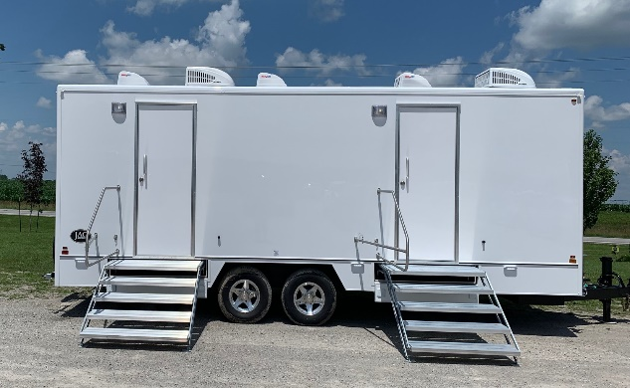
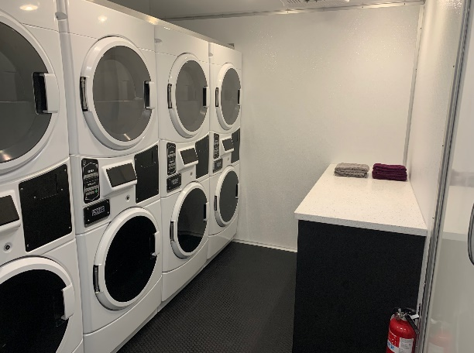
2 | 199,000 BTU propane water heaters |  |  | STD
1 | Inlet Pressure Regulator, Brass, 40-50 psi |  |  | STD
1 | City Water Fill, 3/4" Garden Hose Connection |  |  | STD
1 | Water Lines Inside Trailer, Weather Protected |  |  | STD
3 | Floor Drains, Chrome |  |  | STD
INTERIOR FEATURES
2 | Entry Doors, White Interior - 80 x 32 |  |  | STD
1 | White Pebble Walls with Aluminum Trim |  |  | STD
1 | Smooth Fiberglass Ceiling Surface |  |  | STD
1 | Gray Rubber Flooring, Seamless |  |  | STD
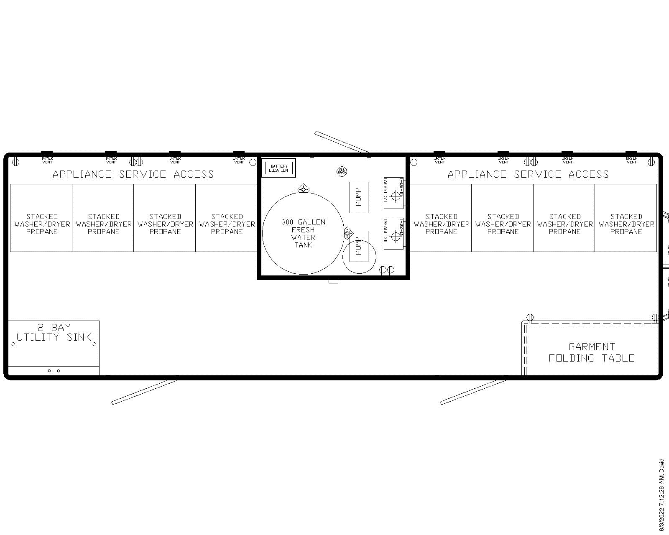
1 | Built in Black Cabinet, SB C-Top |  |  | STD
1 | Double Basin Utility Sink w/ Gooseneck Faucet |  |  | STD
2 | 5lbs Fire Extinguisher |  |  | STD
1 | Smoke/CO2 Detector, Battery Operated |  |  | STD
8 | Low Consumption Washers & Propane Dryers |  |  | STD
Unit has 2 entrances 1 folding table & 1 single sink with running water, vent fan, and lighting. Interior features white pebbled walls with aluminum extruded trim and black rubber flooring. 4 Washers are low consumption matched with stackable propane dryers. Each entrance has 48" retractable stairs with hand rails.

QTY | Description |  | Price | Extended

